Visual
MyGPN

MyGPN -Server
MS GP

https://mygpn.id
https://dev.mygpn.id

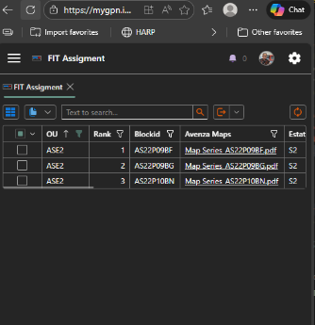
Web & API



SR
Replicate
Read-only
dbreader


DATABASE
10.1.26.5

600G Dbase Capacity

Microsoft Azure
172.28.60.120
172.28.60.200
Published
mygpn.id [103.109.152.189]

pySpark -> importing

172.28.60.201

Admin-db only 1 user (mygpn-db)
1

